Sheet1
Clk | S0 | S1 | S2 | S3 | Output | period length = | 15
0 | 1 | 0 | 1 | 0 | 1 | Key= | 1010001101000110
1 | 0 | 1 | 0 | 0 | 0
2 | 1 | 0 | 0 | 0 | 1
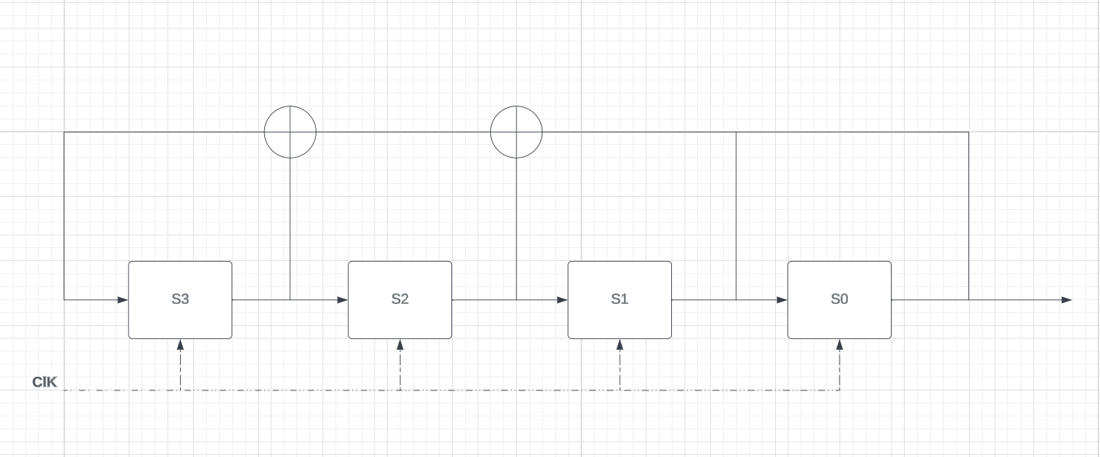
3 | 0 | 0 | 0 | 1 | 0
4 | 0 | 0 | 1 | 1 | 0
5 | 0 | 1 | 1 | 0 | 0
6 | 1 | 1 | 0 | 1 | 1
7 | 1 | 0 | 1 | 0 | 1
8 | 0 | 1 | 0 | 0 | 0
9 | 1 | 0 | 0 | 0 | 1
10 | 0 | 0 | 0 | 1 | 0
11 | 0 | 0 | 1 | 1 | 0
12 | 0 | 1 | 1 | 0 | 0
13 | 1 | 1 | 0 | 1 | 1
14 | 1 | 0 | 1 | 0 | 1
15 | 0 | 1 | 0 | 0 | 0

